Inherent Risk (Before)
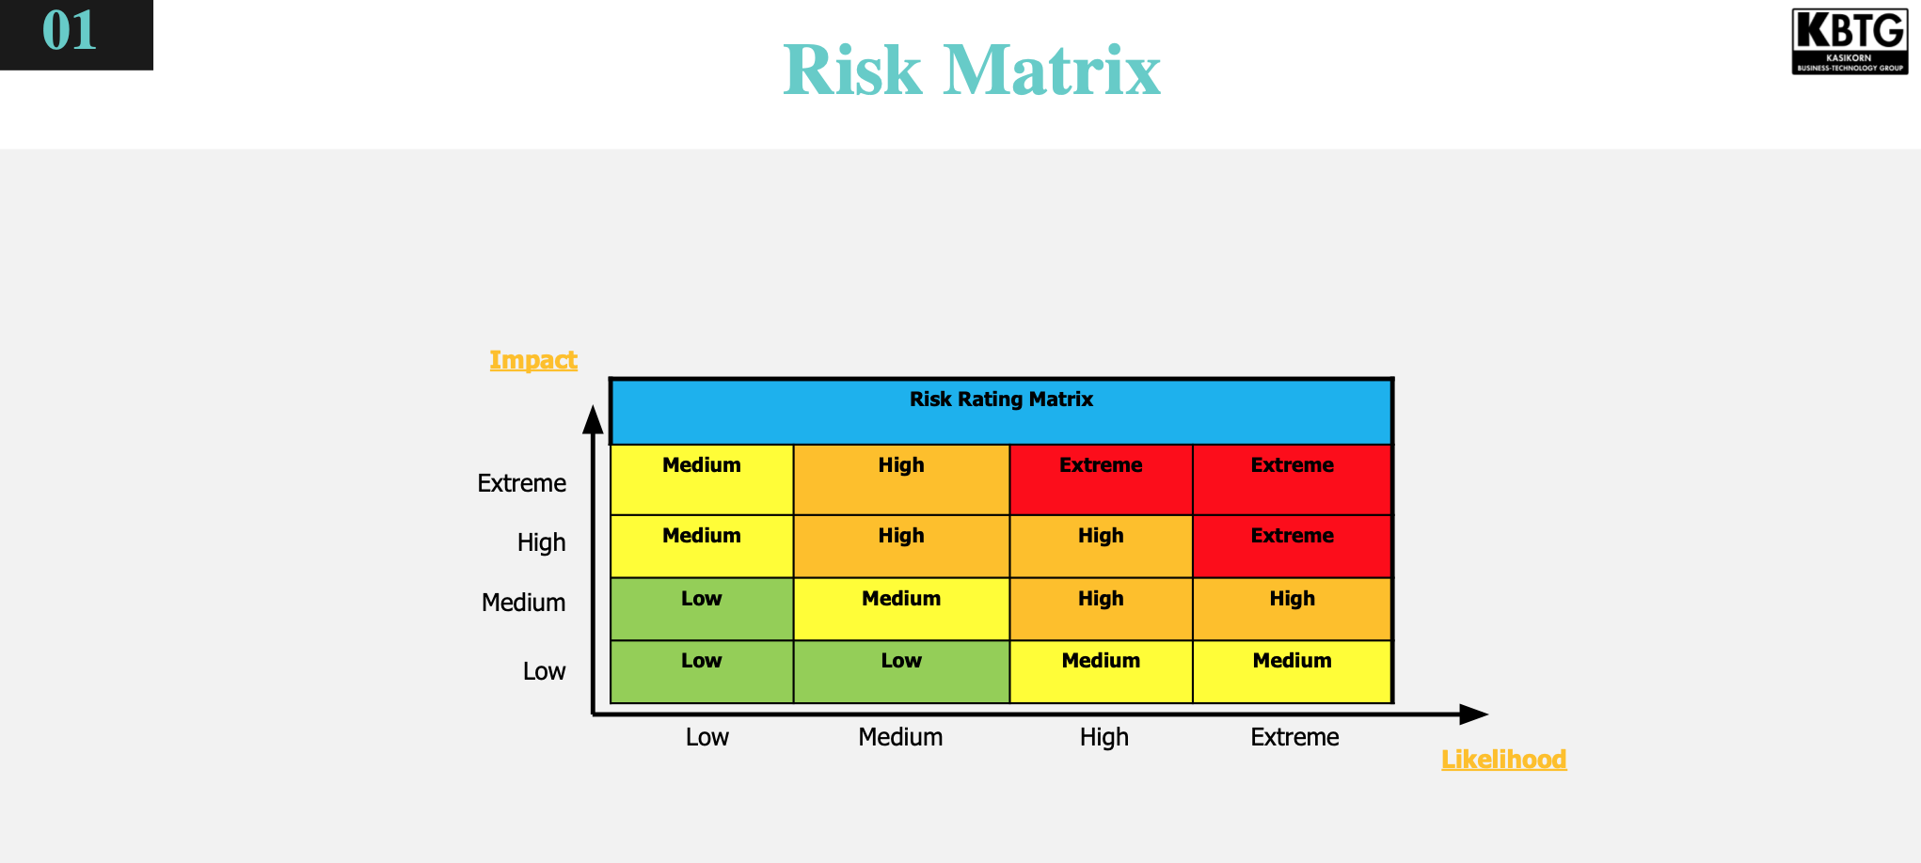
Inherent Risk (Before apply controls)
Threat Scenarios | Risks | Impact | Likelihood | Risk rating
1. Attackers intercept or manipulate online transactions due to lack of encryption. | PoS manipulation, and unauthorized financial transactions. | Extreme | Extreme | Extreme | 1 | Risk: extreme due to impact all Customer likelihood: can happen at any time
2. Attackers might exploit system vulnerabilities in branch systems to obtain the sensitive data and money in local database, or even lead to PoS failure without real-time monitoring. | Data breaches, reputational damage and financial losses. | Medium | High | High |  | Risk: medium due to impact at branch not every branch likelihood: can happen at any time
3. Employees (insider threats) misusing elevated permissions to access restricted or sensitive information, including customer information, system log. | Sensitive information is not adequately protected, potentially leading to compliance violations (fine). | Extreme | Extreme | Extreme | 3 | Risk: all customer and effect all IT system Likelihood: can happen at any time
4. Attackers gaining access using stolen or weak credentials due to weak authentication, execute brute-force attacks, or exploit weak admin interfaces. | Stolen privileged accounts are used for unauthorized system modifications, data exfiltration, privilege escalation, or ransomware attacks. | Extreme | High | Extreme | 5 | Risk: Compiance
5. Attackers might succesfully compromise the system with malware and virus (e.g., phishing, unauthorized access) while the security patch is not up to date. | Malware infections can lead to data breaches, financial losses, operational downtime, and reputational damage. | Extreme | High | Extreme | 2+4 | Risk: all system are compromised Likelihood: we don't have IT teams
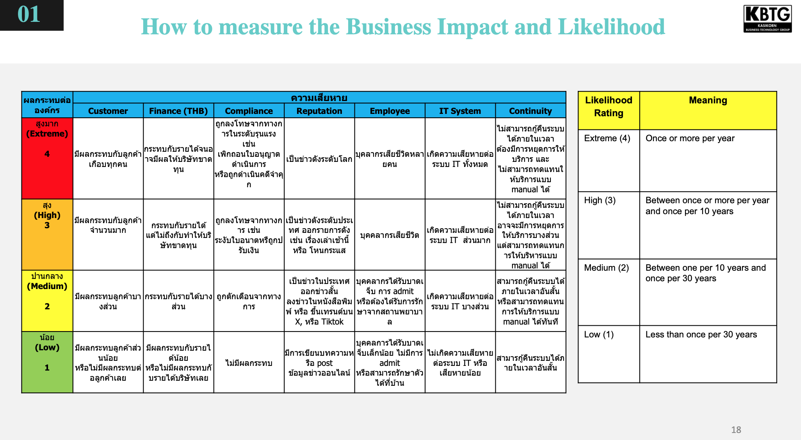
Attackers modify or delete audit logs before synchronization | Compliance violations, undetected security incidents, forensic challenges. |  |  |  |  |  | Risk เลือกอันที่ เสียหายมากที่สุดก่อน
Employees (insider threats) exploit overprivileged accounts. | Data exfiltration, unauthorized modifications, fraud. |  |  |  |  |  | ทำไมถึง high และ high ด้านไหนของ Risk จาก 7 ด้าน
Due to the absence of IT teams, security patches are delayed | Increased risk of known vulnerabilities being exploited

Current risk for deployment (After apply controls)

Threat Scenarios | Risks | Controls | Impact | Likelihood | Risk rating
1. Attackers intercept or manipulate online transactions due to lack of encryption. | PoS manipulation, and unauthorized financial transactions. | 1. Use of private network / VPN (ลดโอกาสการดักฟังข้อมูล, ลด Likelihood) 2. Encrypt communication channel with TLS1.2 or 1.3 (Likielihood: MITM attack) 3. Input validation at app service to pprotect transaction tampering (Impact) | Medium | Low | Low
2. Employees (insider threats) misusing elevated permissions to access restricted or sensitive information, including customer information, change system log. | Sensitive information is not adequately protected, log modified potentially leading to compliance violations (fine). | 1. Privelege ID management (Likielihood: unauthorized access) 2. Information Access Restriction (Likelihood: unauthorized access) 3. Implement File Integrity Monitoring (FIM) for logging verification (Impact) | Medium | Low | Low
3. Attackers gaining access using stolen or weak credentials due to weak authentication, execute brute-force attacks, or exploit weak admin interfaces. | Stolen privileged accounts are used for unauthorized system modifications, data exfiltration, privilege escalation, or ransomware attacks. | 1. Encryption data at rest (Impact: data disclosure) 2. Deploy Multi-Factor Authentication (MFA) (Likelihood: unauthorized access) 3. Enforce password policies e.g., password complexity, limit login password retry (Likelihood: brute-force, dictionary, rainbow attacks) | Low | Low | Low | 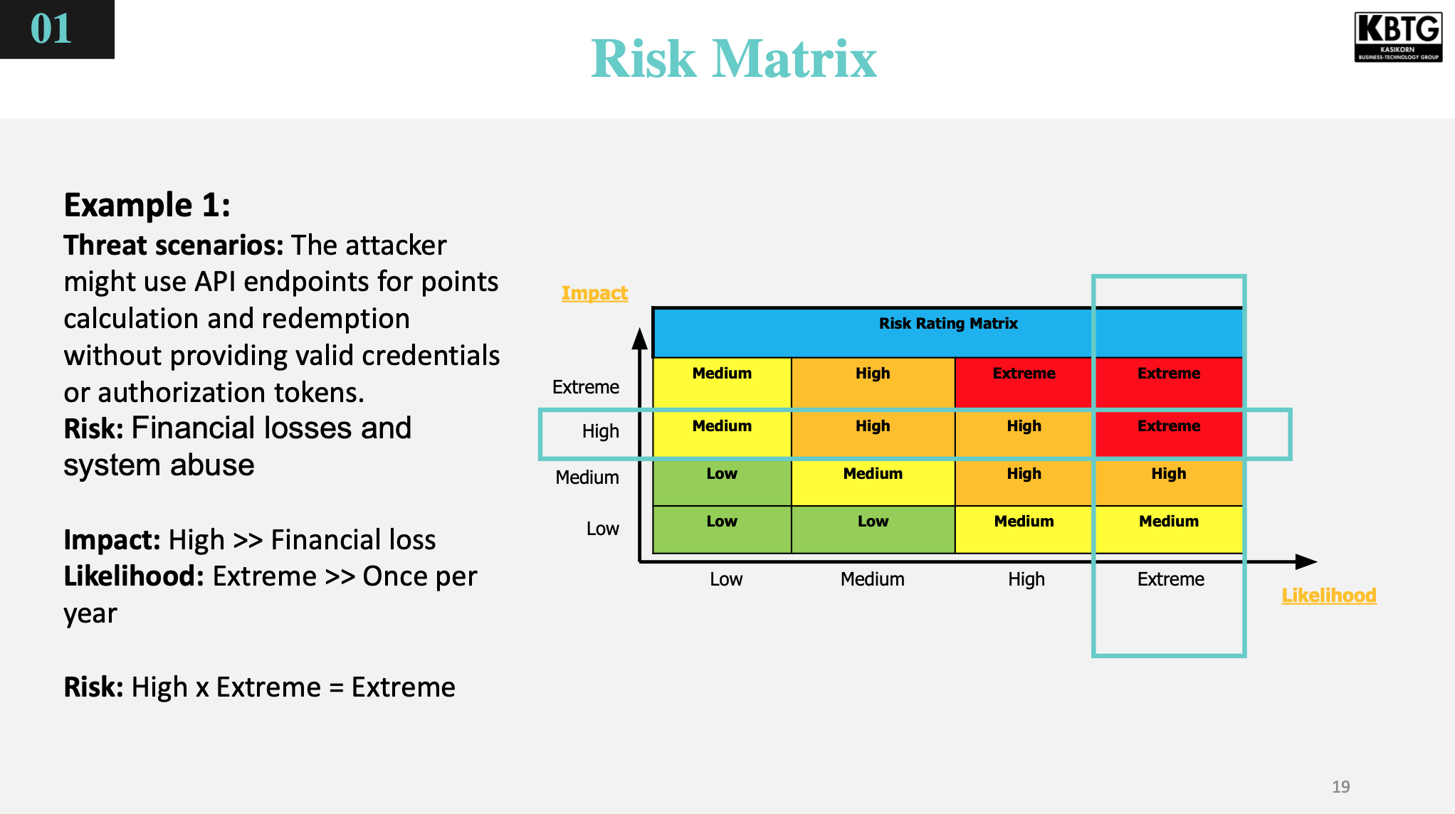

Vuln Assessment
Vulnerability Title | Information Disclosure
Description | Stack Trace แสดงข้อความที่ผิดพลาด อาจเปิดเผยข้อมูลสำคัญ เช่น ข้อมูลของ environment variable ที่ประกอบไปด้วย config ต่างๆ
Entity | Web App
Type of Vulnerability | Generic Vuln
Risk | Risk Rating | Impact | Likelihood | Impact
 | High (Impact: High x Likelihood: High) | Result: High Confidentiality (High - compromise system), Compliance (Indirect - High, as related to sensitive data), Data Privacy (Indirect High, as related to sensitive data) | Result: High Discoverability (Medium - เจาะจง Error ที่เกี่ยวข้อง); User Interaction - น้อย not everyone understand unless attacker or security professional/ SQL Injection control implementation - แล้วแต่ สิ่งที่ สะท้อนใน message | High (Confidentiality, Compliance) ข้อมูลที่หลุดช่วยให้แฮ็กเกอร์เจาะระบบได้ง่ายขึ้น | High (Discoverability, Exploitability) แอปพลิเคชันเปิดให้เข้าถึงผ่านอินเทอร์เน็ต ข้อความแสดงข้อผิดพลาดที่เปิดเผยข้อมูลสำคัญอาจถูกสแกนค้นพบได้
Remediation / Mitigation & Recommendation | แสดง Generic Error Code แยกส่วน Error Handling และ Logging ไม่ทำการ comment error ใน script โดยตรง (แยกความหมายไว้ใน Playbook) Sanitize User Input: ทำ input validation เพื่อป้องกันการ ทำ SQL Injection หรือ อื่นๆ |  |  | 1. ปิดการแสดง Stack Trace และ Error Message ที่มีข้อมูลสำคัญบนหน้าเว็บ 2. ตรวจสอบและตั้งค่าการเก็บข้อมูล (Logging) ให้ไม่บันทึกข้อมูลที่เป็นความลับ

Optional:
Unexpected Situation | Not directly Impact: - Related to ฮั่นแน่ไม่ส่งซิกเลยน้า??, not directly implies it is error code and not directly indicate whether which aspect of sensitive information, but with above-mentioned playbook, this risk can be lessened. - Related to Third Party?? ไม่เกี่ยวข้อง but with above-mentioned mitigation is sufficient.

Vulnerability Title | Spring Framework (Sping4Shell) (CVE-2022-22965; CVSSv3 9.8)
Description | ผู้โจมตีสามารถทำการโจมตีได้จากระยะไกล (Remote Code Execution: RCE) ผ่านช่องโหว่ของระบบ Data Binding ใน Spring Framework
Entity | WebApp
Type of Vulnerability | CVE
Risk | Risk Rating | Impact | Likelihood
 | Critical | Extreme Attackers could complete access and control whole sytems (Confidentiality, Integrity, Availability, Data Privacy) | Extreme Easy to develop and implement (Discoveribility, Exploibility, In-the-Wild-Known, Reproducibility)
Remediation / Mitigation & Recommendation | - Update Latest version of Spring Framework to versions 5.3.18+ (Impact) - Upgrade Spring Boot to versions 2.6.6+ (Impact) - Implement a Web Application Firewall (WAF) and Monitor Logs for Exploitation Attempts (Likelihood)

Optional:
Unexpected Situation | - related to ฮั่นแน่ ไม่ส่งซิกเลยน้า โดยสามารถถูกนำข้อมูลที่เข้าถึงได้ ไปขายใน Dark Web - related to ความโป๊ะเป็นศูนย์! ตรงที่เป็นผลกระทบที่มาจาก Third Party ต้องคอย monitor และ update latest version อยู่เสมอ

Vulnerability Title | Apache HTTP Server mod_proxy denial of service (CVE-2024-38477; CVSSv3 7.5)
Description | ช่องโหว่ของ Apache Server ใน mod_proxy ทำให้ผู้โจมตีสามารถส่งคำขอที่เป็นอันตรายเพื่อทำให้เซิร์ฟเวอร์ล่ม
Entity | WebApp
Type of Vulnerability | CVE
Risk | Risk Rating | Impact | Likelihood
 |  | High - Availability เนื่องจากถ้าล่มไม่สามารถดำเนินธุรกิจได้ - IT System เพราะจะทำให้ระบบล่ม
Remediation / Mitigation & Recommendation

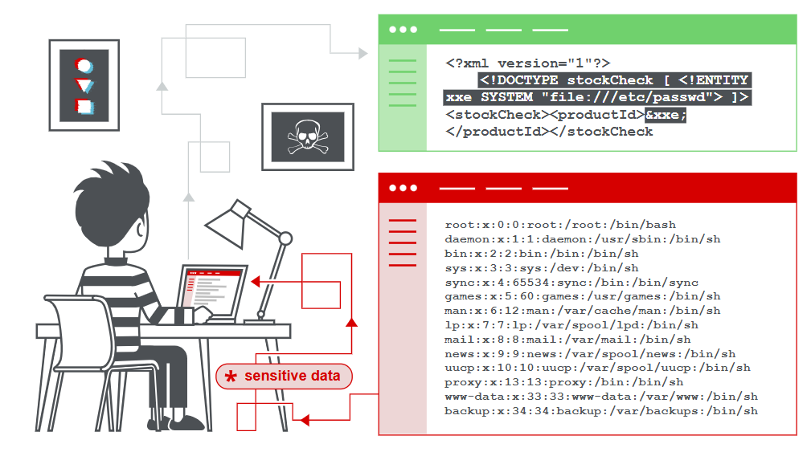
Optional:
Unexpected Situation | - directly impact จาก ความเป๊ะเป็นศูนย์ เนื่องจากเป็น Third Party และอาจจะกระทบข้อนี้ - not related to ฮั่นแน่ไม่ส่งซิกเลยน้า เพราะ DoS Attack นี้ไม่เกี่ยวข้องกับ DB

Vulnerability Title | XXE Injection lead to Remote Code Execution​
Description | Vulnerability that allowing attackers to manipulate XML input to access or execute malicious external entities, which can lead to remote code execution (RCE). |  |  | "- XML external entity (XXE) injection is a vulnerability that allows attacker to interfere with an XML data to view files on the application server, to interact with any back-end or external systems that the application itself can access. - Our applications use the XML format to transmit data and use standard library to process the XML. - Attack surface for XXE injection is our application's HTTP requests that could contain data in XML format. - Another attack surface is the interface that upload files which are then processed server-side including XML file formats. - XXE vulnerabilities can be found quickly using web vulnerability scanner."
Entity | WebApp
Type of Vulnerability | Generic Vuln
Risk | Risk Rating | Impact | Likelihood
 | Critical | Extreme Note. Confidentiality -> Extreme -> Access sensitive data Integrity -> Extreme -> modify, delete, or corrupt or back door the system Availability -> Extreme -> Cloud down the system Other -> Extreme -> Affect to data Privacy and company Reputation | Extreme Note. Exploitability, Reproducibility -> Extreme -> If misconfigured, just sending a malicious XML request is enough. In-The-Wild Known Vulnerabilities -> High -> XXE attacks are well-documented, with public exploits available.
Remediation / Mitigation & Recommendation | 1. Apply Secure Code Review & Static Application Security Testing (SAST) 2. Use a secure XML parsing library and disable unsafe features. 3. Use a WAF (Cloudflare, AWS WAF, ModSecurity) to block known XXE payloads.

Optional:
Unexpected Situation | - Information leakage from Production environment because the system has no validation with Penetration test - Our Dev team unintentionally update library with malicious code designed to steal data to sell it on the dark web.

Vulnerability Title | Insecure direct object reference (IDOR) |  |  | Impact Factors | เหตุผล
Description | Attacker สามารถทำ IDOR ที่ URL หน้า "Customer Profile" เพื่ออ่าน Sensitive data อาจจะเป็นการใส่ Query params เพื่อ Access ข้อมูล Object ได้โดยตรง ได้ทันที |  |  | Confidentiality (ข้อมูลรั่วไหล) | ลูกค้าสามารถเข้าถึงข้อมูลของผู้อื่นได้โดยไม่ต้องยืนยันตัวตน
Entity | Web App |  |  | Reputation (ชื่อเสียงองค์กรเสียหาย) | หากข้อมูลลูกค้ารั่วไหล อาจทำให้เกิดการร้องเรียนหรือถูกเผยแพร่บนโซเชียลมีเดีย
Type of Vulnerability | General Vuln. |  |  | Integrity (ข้อมูลถูกแก้ไขได้) | หาก IDOR อนุญาตให้แก้ไขข้อมูล อาจนำไปสู่การเปลี่ยนแปลงข้อมูลที่สำคัญ เช่น ที่อยู่หรือหมายเลขบัญชี
Risk | Risk Rating | Impact | Likelihood | Compliance (ข้อกำหนดทางกฎหมาย เช่น GDPR, PCI DSS) | ข้อมูลลูกค้าอาจละเมิดกฎหมายคุ้มครองข้อมูล เช่น GDPR ทำให้ถูกปรับสูง
 | Extreme | Extreme Confidentiality -> Extreme -> ข้อมูลถูกเปิดเผย Reputation -> Extreme -> If publicly disclosed, it can damage the company's reputation due to data leaks. Compliance -> Extreme -> ละเมิดข้อกำหนด เช่น GDPA/PDPA Data Privacy -> Extreme -> Expose PII | Extreme Discoverability (เปลี่ยนค่าใน URL หรือ API Request) Reproducibility (ทำได้เลยไม่ต้องใช้เครื่องมือเพิ่ม) Exploitability (ใช้ได้ทันทีแค่เปลี่ยน Parameter ) | Availability (ความพร้อมใช้งานของระบบ) | แม้จะไม่ได้ส่งผลโดยตรงต่อระบบล่ม แต่หากถูกโจมตีจำนวนมาก อาจกระทบต่อการให้บริการ
Remediation / Mitigation & Recommendation | 1️ ตรวจสอบสิทธิ์ของผู้ใช้ทุกครั้ง (User Input Validation) → เช็คให้แน่ใจว่า ผู้ใช้สามารถเข้าถึงข้อมูลของตัวเองเท่านั้น 2️ ใช้ Access Control ในระดับ Object (Object-Level Authorization) → ก่อนส่งข้อมูล ต้อง ตรวจสอบสิทธิ์ของผู้ใช้กับระบบเสมอ 3️ หลีกเลี่ยงการใช้ ID ตรงๆ ใน URL (Use Indirect References) → แทนที่จะใช้ userID=1234 ใน URL, ให้ใช้ Token หรือ Hash แทน |  |  | Data Privacy (ความเป็นส่วนตัวของลูกค้า) | ข้อมูลลูกค้าอาจถูกเข้าถึงและเปิดเผยต่อบุคคลที่ไม่ได้รับอนุญาต
 |  |  |  | Financial (ผลกระทบทางการเงิน) | อาจถูกปรับจากหน่วยงานกำกับดูแล และเสียค่าใช้จ่ายในการแก้ไขระบบ
Optional:
Unexpected Situation | - Not directly Impact - ช่องโหว่นี้ ไม่เกี่ยวข้องกับ Dark Web - ไม่สามารถแก้ไขได้ด้วยการอัปเดต Library ต้องใช้ Access Control และ Secure Object References

 |  |  |  | Likelihood Factors | ระดับความรุนแรง | เหตุผล
 |  |  |  | Discoverability (ถูกค้นพบง่ายหรือไม่?) | Extreme 🔵 | ตรวจพบได้ง่ายโดยการเปลี่ยนค่าใน URL หรือ API Request
 |  | Confidentiality -> Extreme -> ข้อมูลถูกเปิดเผย Reputation -> Extreme -> If publicly disclosed, it can damage the company's reputation due to data leaks. Compliance -> Extreme -> ละเมิดข้อกำหนด เช่น GDPA/PDPA Data Privacy -> Extreme -> Expose PII | Discoverability, Exploitability -> High -> Commonly tested by security researchers and attackers Reproducibility -> High -> Once identified, an attacker can easily repeat the exploit by modifying object references (e.g., changing customer ID in a request). Exploitability -> | Reproducibility (ทำซ้ำได้ง่ายแค่ไหน?) | Extreme 🔵 | โจมตีได้ง่ายมาก ไม่ต้องใช้เครื่องมือพิเศษ แค่เปลี่ยนค่าใน Browser
 |  |  |  | Exploitability (ใช้โจมตีได้ง่ายหรือไม่?) | Extreme 🔵 | ใช้ได้ทันทีโดยการเปลี่ยน Parameter ไม่ต้องมีสิทธิ์พิเศษ

